Pension fund calcs
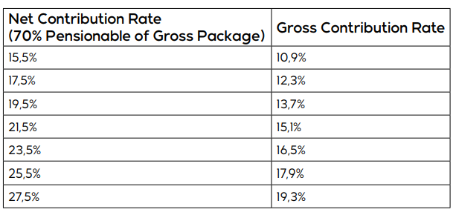
Guaranteed package | R624,692.00

Bottom part of payslip: FIXED
70% of pensionable salary | R437,284.40
applying the fixed 7.5% rate | R32,796.33
diving by 12 months | R2,733.03

Top part of payslip: VARIABLE
70% of pensionable salary | R437,284.40
Variable interest rate | 17.5% | 19.50% | 21.50% | 23.50% | 27.50%
Less FIXED 7.5% | 7.5% | 7.5% | 7.5% | 7.5% | 7.5%
Variable interest rate applied | 10% | 12% | 14% | 16% | 20%
Updated pensionable salary | R43,728.44 | R52,474.13 | R61,219.82 | R69,965.50 | R87,456.88
Less Funeral Cover | R218.40 | R218.40 | R218.40 | R218.40 | R218.40
Less Superfund lifestyle | 351.72 | 351.72 | 351.72 | 351.72 | 351.72
Less mandatory costs | R43,158.32 | R51,904.01 | R60,649.70 | R69,395.38 | R86,886.76
Monthly cost | R3,596.53 | R4,325.33 | R5,054.14 | R5,782.95 | R7,240.56
Total contribution | R6,329.55 | R7,058.36 | R7,787.17 | R8,515.98 | R9,973.59

Difference compared to current contibution |  | 728.8 | 1,457.6 | 2,186.4 | 3,644.0

